E

2NF

3NF | client_id | postal_code

 | client_id | first_name | last_name

 | postal_code | city | privince

F
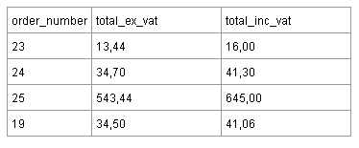
1NF |  |  |  | Где Total_inc_vat = 119% От Total_ex_vat

2NF=3NF | order_number | Total_ex_vat | Total_inc_vat - вычисляемое поле

